Application Screen
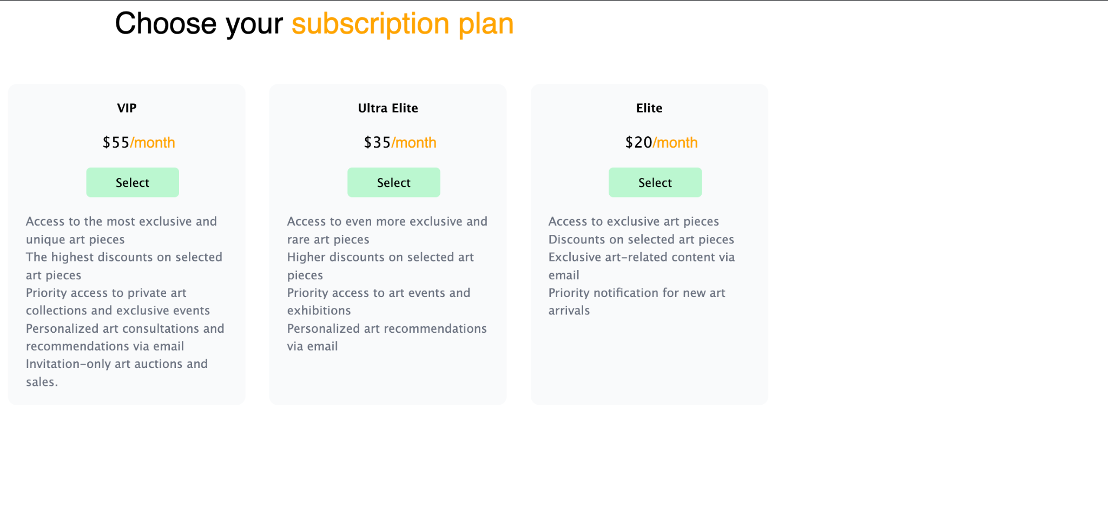

Test Case 4
TC Title: | TC4. Review and Choose Subscription Plan - Core Functionality & Data Flow Out

TC Objective: | This test case validates core functionality of the feature, and the data flow from this feature to other features - After the subscription plan was chosen, user should be able to use the premium feature 01.12

Data Flow Diagram | 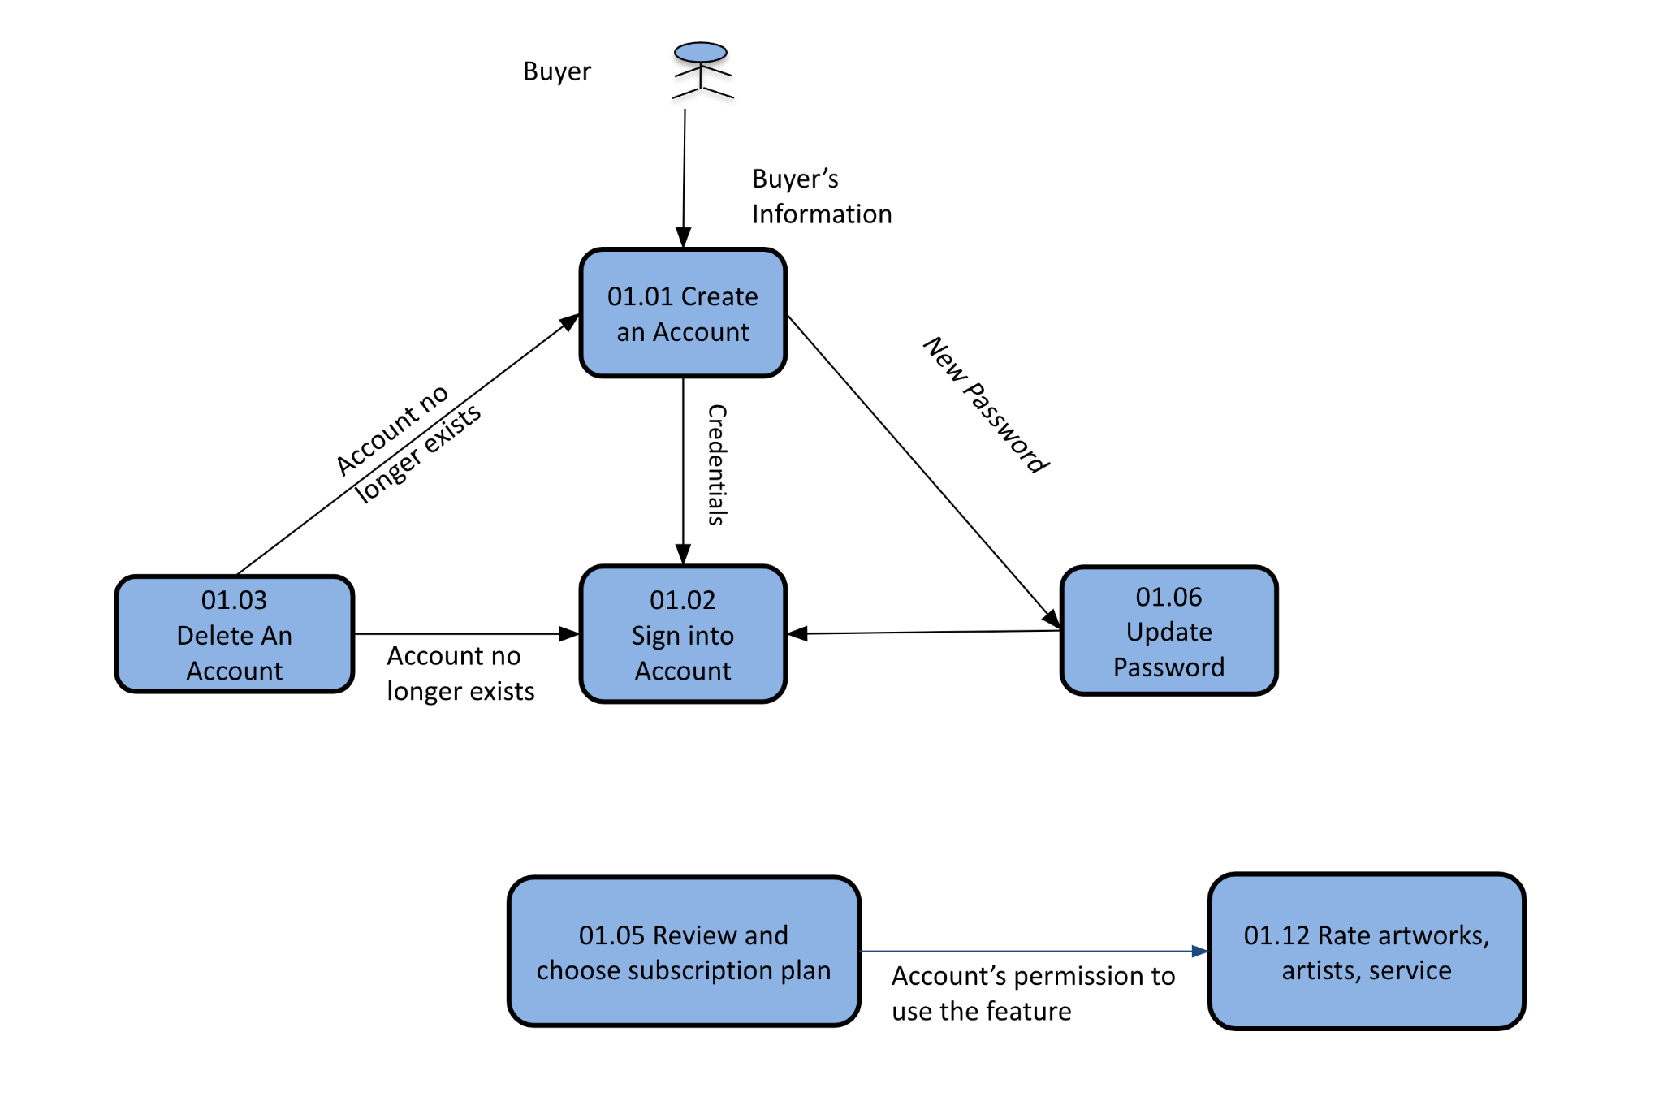
Precondition | Customer signed in as Unsubscribed client and is at Review and Choose Subscription Plan Page
TC Description
 | Step | Step Description | Expected Results
 | 1 | Go to homepage. Chose an artwork and add it to favorite | Error message
 | 2 | Choose a subscription plan (any of the plan will do) and pay | Success message
 | 3 | Go to homepage. Chose an artwork and add it to favorite | No error message
 | 4 | Go to favorite page | Artwork from step 3 shows up on the list

